Green City-Order Form
 |  |  | Green City Order Form

School name | 中文 |  |  | Please fill in the yellow zone
 | English
School address
Contact person | Mr/Ms |  |  | Contact number
E-mail |  |  |  | Fax number

Item | Production Description |  |  | Qty | Package Price | Total HKD ($)
9594S | Green City Challenge Set & Activity Pack(2009594) |  |  | 1 | HK$3,780.00 | HK$3,780.00

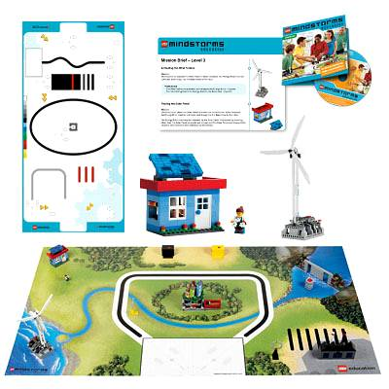
http://www.semia.com/hk/SchoolSupport/Curriculum_for_School.html

Delivery Charge is HKD$300 per order, it will be waived for order over HKD$10,000.(Hong Kong only)
Macau region will be charged additional delivery fee.
SEMIA LIMITED reserves the right to make the final decision.
Confirmed and accepted by |  | Remarks: |  |  | Inquiry: Tel: | (+852)29914365
 |  |  |  |  | Fax: | (+852)29914480
 |  |  |  |  | E-mail: | info.hk@semia.com

Authorized signature with School/Co. Chop

